Sheet1
1..
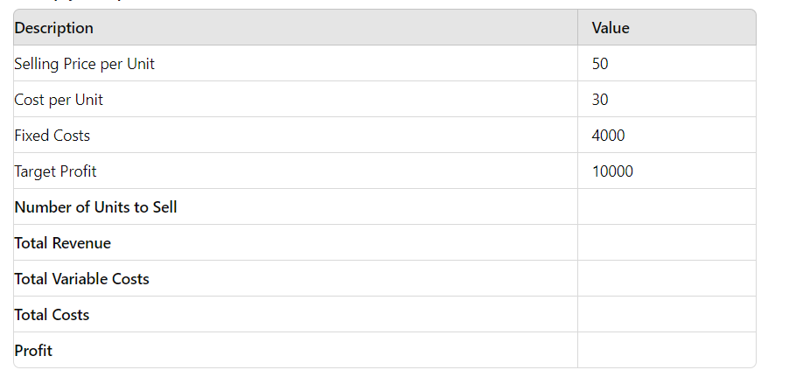
Description | Value
Selling Price per Unit | 50
Cost per Unit | 30
Fixed Costs | 4000 |  |  | 700
Target Profit | 10000
Number of Units to Sell | 700
Total Revenue | 35000
Total Variable Costs | 21000
Total Costs | 25000
Profit | 10000

2..
Loan Amount (P) | 20000
Annual rate | 6%
Loan Term | 5
n (term in months) | 60
r (monthly interest rate) | 0.005
EMI | ₹ 386.66

3..
You want to analyse how different interest rates affect the monthly payment of a loan. The loan amount is $15,000, and you want to see how the monthly payment changes for interest rates ranging from 4% to 8% in 0.5% increments over a 5-year term.

Loan Amount (P) | 15000 |  |  |  |  |  | ₹ 269.53
Time (year) | 5 |  |  |  |  | 4% | ₹ 276.25
emi | ₹ 269.53 |  |  |  |  | 4.50% | ₹ 279.65
rate | 3% |  |  |  |  | 5% | ₹ 283.07
 |  |  |  |  |  | 5.50% | ₹ 286.52
 |  |  |  |  |  | 6% | ₹ 289.99
 |  |  |  |  |  | 6.50% | ₹ 293.49
 |  |  |  |  |  | 7% | ₹ 297.02
 |  |  |  |  |  | 7.50% | ₹ 300.57
 |  |  |  |  |  | 8% | ₹ 304.15
 |  |  |  |  |  | 8.50% | ₹ 307.75
 |  |  |  |  |  | 9% | ₹ 311.38

4..
4. You want to analyze how changes in unit sales price and unit sales volume affect the total revenue. You have a unit sales price of $25 and a unit sales volume of 500. You want to create a table to see how total revenue changes with varying prices and volumes.
 |  |  | 12500 | 25 | 30 | 35 | 40 | 45 | 50 | 55 | 60 | 65 | 70
Unit Sales Price | 25 |  | 500 | 12500 | 15000 | 17500 | 20000 | 22500 | 25000 | 27500 | 30000 | 32500 | 35000
Unit Sales Volume | 500 |  | 550 | 13750 | 16500 | 19250 | 22000 | 24750 | 27500 | 30250 | 33000 | 35750 | 38500
Total Revenue | 12500 |  | 600 | 15000 | 18000 | 21000 | 24000 | 27000 | 30000 | 33000 | 36000 | 39000 | 42000
 |  |  | 650 | 16250 | 19500 | 22750 | 26000 | 29250 | 32500 | 35750 | 39000 | 42250 | 45500
 |  |  | 700 | 17500 | 21000 | 24500 | 28000 | 31500 | 35000 | 38500 | 42000 | 45500 | 49000
 |  |  | 750 | 18750 | 22500 | 26250 | 30000 | 33750 | 37500 | 41250 | 45000 | 48750 | 52500
 |  |  | 800 | 20000 | 24000 | 28000 | 32000 | 36000 | 40000 | 44000 | 48000 | 52000 | 56000
 |  |  | 850 | 21250 | 25500 | 29750 | 34000 | 38250 | 42500 | 46750 | 51000 | 55250 | 59500
 |  |  | 900 | 22500 | 27000 | 31500 | 36000 | 40500 | 45000 | 49500 | 54000 | 58500 | 63000
 |  |  | 950 | 23750 | 28500 | 33250 | 38000 | 42750 | 47500 | 52250 | 57000 | 61750 | 66500
 |  |  | 1000 | 25000 | 30000 | 35000 | 40000 | 45000 | 50000 | 55000 | 60000 | 65000 | 70000

5..
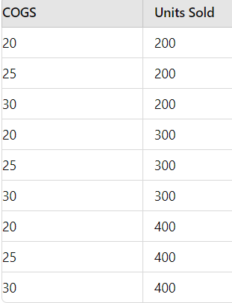

 |  |  |  |  |  | sp | 50
 |  |  | Fixed SP | 50 |  | fixed cost | 1000
 |  |  | Fixed Cost | 1000 |  | cogs | 20
 |  |  | total profit | 5000 |  | units sold | 200
 |  |  |  |  |  | total profit | 5000
 |  | COGS | Units Sold
 |  | 20 | 200
 |  | 25 | 200
 |  | 30 | 200 |  | 5000 | 200 | 200 | 300 | 300 | 300 | 400 | 400 | 400
 |  | 20 | 300 |  | 25 | 4000 | 4000 | 6500 | 6500 | 6500 | 9000 | 9000 | 9000
 |  | 25 | 300 |  | 30 | 3000 | 3000 | 5000 | 5000 | 5000 | 7000 | 7000 | 7000
 |  | 30 | 300 |  | 20 | 5000 | 5000 | 8000 | 8000 | 8000 | 11000 | 11000 | 11000
 |  | 20 | 400 |  | 25 | 4000 | 4000 | 6500 | 6500 | 6500 | 9000 | 9000 | 9000
 |  | 25 | 400 |  | 30 | 3000 | 3000 | 5000 | 5000 | 5000 | 7000 | 7000 | 7000
 |  | 30 | 400 |  | 20 | 5000 | 5000 | 8000 | 8000 | 8000 | 11000 | 11000 | 11000
 |  |  |  |  | 25 | 4000 | 4000 | 6500 | 6500 | 6500 | 9000 | 9000 | 9000
 |  |  |  |  | 30 | 3000 | 3000 | 5000 | 5000 | 5000 | 7000 | 7000 | 7000

Total Profit: Use the formula =(Selling_Price_per_Unit - COGS) * Units_Sold - Fixed_Costs

